Burndown Chart
Team Burndown Chart
 | Actual | Expected
Team

Date | % Progress Remaining | Date | % Progress Remaining

 | Actual Burndown |  | Expected Burndown
2/13/2022 | 100 | 2/13/2022 | 100
2/14/2022 | 90.70 | 2/14/2022 | 85.71
2/15/2022 | 81.33 | 2/15/2022 | 71.43
2/16/2022 | 75.23 | 2/16/2022 | 57.14
2/17/2022 | 63.13 | 2/17/2022 | 42.86
2/18/2022 | 49.98 | 2/18/2022 | 28.57
2/19/2022 | 36.23 | 2/19/2022 | 14.29
2/20/2022 | 20.47 | 2/20/2022 | 0.00

Gideon's Capacity
 | Actual | Expected
Gideon

Date | % Progress Remaining | Date | % Progress Remaining

 | Actual Burndown |  | Expected Burndown
2/13/2022 | 100 | 2/13/2022 | 100
2/14/2022 | 90.00 | 2/14/2022 | 85.71 | Date | Gideon | Raymond | Vivian | Brent | Josh | Long | Summation | Name | Capacity (hours)
2/15/2022 | 77.50 | 2/15/2022 | 71.43 | 2/13/2022 |  |  |  |  |  |  |  | Joshua | 9
2/16/2022 | 67.50 | 2/16/2022 | 57.14 | 2/14/2022 | 1 | 1 | 0.95 | 1 | 1 | 1 |  | Raymond | 11
2/17/2022 | 67.50 | 2/17/2022 | 42.86 | 2/15/2022 | 1.25 | 1 | 1.25 | 1 | 1 | 0.5 |  | Gideon | 10
2/18/2022 | 47.50 | 2/18/2022 | 28.57 | 2/16/2022 | 1 | 1 | 1.15 | 0 | 0 | 0.75 |  | Brent | 12
2/19/2022 | 32.50 | 2/19/2022 | 14.29 | 2/17/2022 | 0 | 3 | 0 | 1 | 2.5 | 1.25 |  | Long | 11
2/20/2022 | 8.30 | 2/20/2022 | 0.00 | 2/18/2022 | 1 | 1.75 | 0.5 | 1.33 | 1.83 | 2 |  | Vivian | 11
 |  |  |  | 2/19/2022 | 1.5 | 1.5 | 1.58 | 1.72 | 1 | 1.5 |  | Total: | 64
 |  |  |  | 2/20/2022 | 2.42 | 1 | 1.93 | 1.58 | 1 | 2.16

Raymond's Capacity
 | Actual | Expected
Raymond

Date | % Progress Remaining | Date | % Progress Remaining

 | Actual Burndown |  | Expected Burndown
2/13/2022 | 100 | 2/13/2022 | 100
2/14/2022 | 90.91 | 2/14/2022 | 85.71
2/15/2022 | 81.82 | 2/15/2022 | 71.43
2/16/2022 | 72.73 | 2/16/2022 | 57.14
2/17/2022 | 45.45 | 2/17/2022 | 42.86
2/18/2022 | 29.55 | 2/18/2022 | 28.57
2/19/2022 | 20.45 | 2/19/2022 | 14.29
2/20/2022 | 6.82 | 2/20/2022 | 0.00

Joshua's Capacity
 | Actual | Expected
Joshua

Date | % Progress Remaining | Date | % Progress Remaining

 | Actual Burndown |  | Expected Burndown
2/13/2022 | 100 | 2/13/2022 | 100
2/14/2022 | 88.89 | 2/14/2022 | 85.71
2/15/2022 | 77.78 | 2/15/2022 | 71.43
2/16/2022 | 77.78 | 2/16/2022 | 57.14
2/17/2022 | 50.00 | 2/17/2022 | 42.86
2/18/2022 | 29.67 | 2/18/2022 | 28.57
2/19/2022 | 18.56 | 2/19/2022 | 14.29
2/20/2022 | 7.44 | 2/20/2022 | 0.00

Vivian's Capacity
Vivian

Date | % Progress Remaining | Date | % Progress Remaining

 | Actual Burndown |  | Expected Burndown
2/13/2022 | 100 | 2/13/2022 | 100
2/14/2022 | 88.2 | 2/14/2022 | 85.71
2/15/2022 | 70.58 | 2/15/2022 | 71.43
2/16/2022 | 54.96 | 2/16/2022 | 57.14
2/17/2022 | 54.96 | 2/17/2022 | 42.86
2/18/2022 | 48.71 | 2/18/2022 | 28.57
2/19/2022 | 28.96 | 2/19/2022 | 14.29
2/20/2022 | 4.84 | 2/20/2022 | 0.00

Brent's Capacity
 | Actual | Expected
Brent

Date | % Progress Remaining | Date | % Progress Remaining

 | Actual Burndown |  | Expected Burndown
2/13/2022 | 100 | 2/13/2022 | 100
2/14/2022 | 87.50 | 2/14/2022 | 85.71
2/15/2022 | 75.00 | 2/15/2022 | 71.43
2/16/2022 | 75.00 | 2/16/2022 | 57.14
2/17/2022 | 62.50 | 2/17/2022 | 42.86
2/18/2022 | 45.88 | 2/18/2022 | 28.57
2/19/2022 | 24.38 | 2/19/2022 | 14.29
2/20/2022 | 4.63 | 2/20/2022 | 0.00

Long's Capacity
Long

Date | % Progress Remaining | Date | % Progress Remaining

 | Actual Burndown |  | Expected Burndown
2/13/2022 | 100 | 2/13/2022 | 100
2/14/2022 | 90.91 | 2/14/2022 | 85.71
2/15/2022 | 86.36 | 2/15/2022 | 71.43
2/16/2022 | 79.55 | 2/16/2022 | 57.14
2/17/2022 | 68.18 | 2/17/2022 | 42.86
2/18/2022 | 50.00 | 2/18/2022 | 28.57
2/19/2022 | 36.36 | 2/19/2022 | 14.29
2/20/2022 | 16.73 | 2/20/2022 | 0.00

Percent Error
Sprint | Velocity | Capacity | % Error
0 | 108 | 84 | 28.57
1 | 96 | 84 | 14.29
2 | 23 | 33 | 30.30
3 | 34.38 | 36 | 4.50
4 | 71.7 | 42 | 70.71
5 | 52.02 | 53 | 1.85
6 | 274.11 | 255 | 7.49
7 | 39 | 72 | 45.83
8 | 36 | 47 | 23.40
9
10
11

Sprint Percent Error Graph

Gideon's Sprint Percent Error Graph

Gideon

Sprint | Velocity | Capacity | % Error
2 | 8 | 7 | 14.29
3 | 8 | 8 | 0.00
4 | 17.48 | 12 | 45.67
5 | 13.23 | 13 | 1.77
6 | 64 | 55 | 16.36
7 | 13.33 | 15 | -11.13
8 | 6.07 | 7 | -13.29
9 | 9.17 | 10 | -8.30
10
11

Raymond Sprint Percent Error Graph

Raymond

Sprint | Velocity | Capacity | % Error
2 | 2.33 | 7 | -66.71
3 | 5.67 | 6 | -5.50
4 | 17.5 | 11 | 59.09
5 | 13.5 | 12 | 12.50
6 | 57 | 55 | 3.64
7 | 13.3 | 15 | -11.33
8 | 6 | 7 | -14.29
9 | 7 | 8 | -12.5
10
11

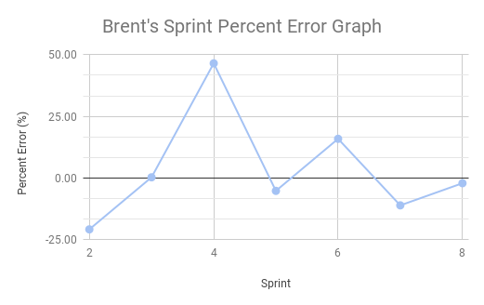

Brent

Sprint | Velocity | Capacity | % Error
2 | 6.33 | 8 | -20.88
3 | 8.02 | 8 | 0.25
4 | 17.58 | 12 | 46.50
5 | 11.37 | 12 | -5.25
6 | 63.73 | 55 | 15.87
7 | 13.33 | 15 | -11.13
8 | 6.85 | 7 | -2.14
9 | 7.63 | 8 | -4.63
10
11

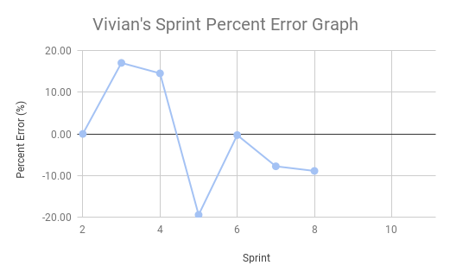

Vivian

Sprint | Velocity | Capacity | % Error
2 | 0 | 0 | 0.00
3 | 7.02 | 6 | 17.00
4 | 9.16 | 8 | 14.50
5 | 6.45 | 8 | -19.38
6 | 39.89 | 40 | -0.28
7 | 11.07 | 12 | -7.75
8 | 6.38 | 7 | -8.86
9 | 7.63 | 8
10
11

Joshua's Sprint Percent Error Graph

Joshua

Sprint | Velocity | Capacity | % Error
2 | 6.33 | 8 | -20.88
3 | 5.66 | 6 | -5.67
4 | 11.92 | 12 | -0.67
5 | 7.58 | 8 | -5.25
6 | 49.43 | 50 | -1.14
7 | 13.72 | 15 | -8.53
8 | 6.08 | 6 | 1.33
9 | 8.33 | 9 | -7.44
10
11

Long's Sprint Percent Error Graph

Long
Sprint | Velocity | Capacity | % Error
8 | 6.3 | 6 | 5.00
9 | 9.16 | 11 | -16.73
10 |  |  | #DIV/0!
11 |  |  | #DIV/0!
12 |  |  | #DIV/0!
13 |  |  | #DIV/0!
14 |  |  | #DIV/0!
15 |  |  | #DIV/0!
16 |  |  | #DIV/0!

